Sheet1
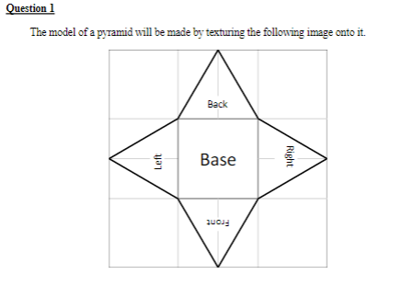
(1,1)

0

1
2

3
4

5
6

(0,0)
7

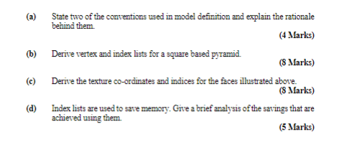

0

4
1
Front
3

2

 | Vertex List | x | y | z
 | 0 | 0 | 2 | 0
 | 1 | -1 | -1 | -1
 | 2 | -1 | -1 | 1
 | 3 | 1 | -1 | 1
 | 4 | 1 | -1 | -1

 | Index List
 | Front | 0 | 2 | 3 | 7 | 6 | 5
 | Left | 0 | 1 | 2 | 3 | 5 | 1
 | Right | 0 | 3 | 4 | 4 | 2 | 6
 | Back | 0 | 4 | 1 | 0 | 1 | 2
 | Base | 1 | 4 | 3 | 1 | 2 | 6
 |  | 1 | 3 | 2 | 1 | 6 | 5

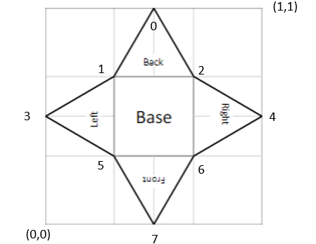
 | Texture Coordinates
 | u | v
0 | 0.5 | 1
1 | 0.33333333333 | 0.66666666667
2 | 0.66666666667 | 0.66666666667
3 | 0 | 0.5
4 | 1 | 0.5
5 | 0.33333333333 | 0.33333333333
6 | 0.66666666667 | 0.33333333333
7 | 0.5 | 1

